Sheet1
Picture | Style # | Packaging | Color | Run | Brand | Pairs | Gender | Class | Category | UPC
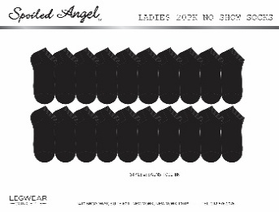 | SALNS-1002-BK | HANGING | BLACK | 20PK/36MC | SPOILED ANGEL | 2520 | WOMENS | HOSIERY | NO SHOW SOCKS | 786724652571
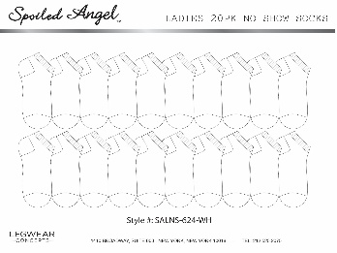 | SALNS-624-WH | HANGING | WHITE | 20PK/36MC | SPOILED ANGEL | 2844 | WOMENS | HOSIERY | NO SHOW SOCKS | 786724655909
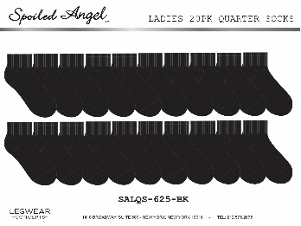 | SALQS-625-BK | HANGING | BLACK | 20PK/36MC | SPOILED ANGEL | 5508 | WOMENS | HOSIERY | QUARTER SOCKS | 786724655978
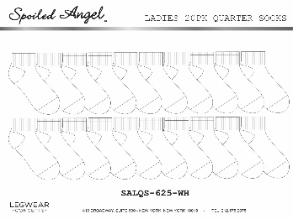 | SALQS-625-WH | HANGING | WHITE | 20PK/36MC | SPOILED ANGEL | 7236 | WOMENS | HOSIERY | QUARTER SOCKS | 786724656012
 |  |  |  |  |  | 18108

